Income Statement
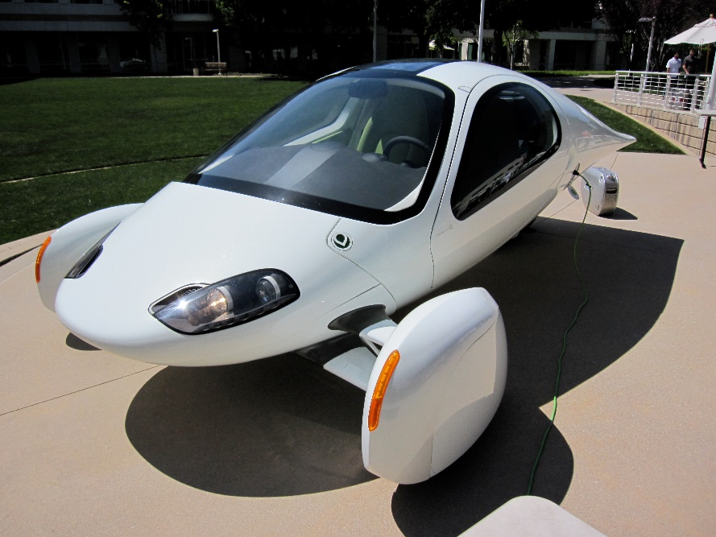

 |  |  |  | California Electric Vehicles, Inc.
 |  |  |  | 5555 Via Rapido
 |  |  |  |  |  | San Diego, CA 92101
 |  |  |  | "Projected Income Statement"

Gross profit vs. Year
Year |  |  |  | 2021 | 2022 | 2023 | 2024 | 2025

Number of Vehicles Sold (Forecast) |  |  |  | 10 | 27 | 70 | 186 | 493
Selling Price, each |  |  |  | $25,000 | $26,000 | $28,000 | $29,000 | $30,000

Revenue |  |  |  | $250,000 | $689,000 | $1,966,300 | $5,396,791.25 | $14,794,652

Cost of Goods Sold
 | Materials | 47% |  | $117,500 | $323,830 | $924,161 | $2,536,492 | $6,953,486
 | Labor | 21% |  | $52,500 | $144,690 | $412,923 | $1,133,326 | $3,106,877

Gross Profit |  |  |  | $80,000 | $220,480 | $629,216 | $1,726,973 | $4,734,289
 | Gross Profit % |  |  | 32.0% | 32.0% | 32.0% | 32.0% | 32.0%

Operating Expenses
 | Sales & Mktg | 1% |  | $(2,500) | $(6,890) | $(19,663) | $(53,968) | $(147,947)
 | Administrative | 10% |  | $(25,000) | $(68,900) | $(196,630) | $(539,679) | $(1,479,465)
 | Insurance | 2% |  | $(5,000) | $(13,780) | $(39,326) | $(107,936) | $(295,893)
Net profit vs. Year
 | Research & Dev'l | 5% |  | $(12,500) | $(34,450) | $(98,315) | $(269,840) | $(739,733)

Depreciation
 | Plant | 30 | $10,000,000 | $(333,333) | $(333,333) | $(333,333) | $(333,333) | $(333,333)
 | Equipment | 10 | $1,000,000 | $(100,000) | $(100,000) | $(100,000) | $(100,000) | $(100,000)

Interest Expense |  | 5% |  | $(550,000) | $(550,000) | $(550,000) | $(550,000) | $(550,000)

Net Income before Taxes |  |  |  | $(948,333) | $(886,873) | $(708,051) | $(227,783) | $1,087,918

Income Tax expense/benefit |  | 30% |  | $284,500 | $266,062 | $212,415 | $68,335 | $(326,375)

Net Income |  |  |  | $(663,833) | $(620,811) | $(495,636) | $(159,448) | $761,543
 | Net Income % |  |  | -265.5% | -90.1% | -25.2% | -3.0% | 5.1%

Revenue vs. Year of operation
Net Income vs. Year of operation

Balance Sheet
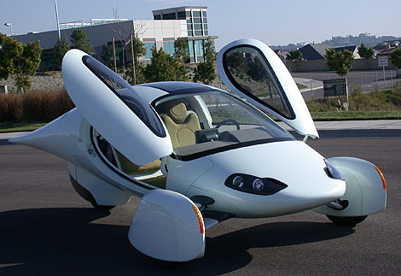

 |  |  | California Electric Vehicles, Inc.
 |  |  | 5555 Via Rapido
 |  |  |  |  | San Diego, CA 92101
 |  |  |  |  | "Same Size Balance Sheet"

 |  |  | Dec. 31, 2022 |  |  | Dec. 31, 2021 |  | %
 |  |  | This Year |  |  | Last Year |  | Change
ASSETS
Current Assets
 | Cash on hand |  | $127,167 |  |  | $1,036,670
 | Inventory |  | $157,000 |  |  | $43,000
 | Accounts Receivable |  | $231,000 |  |  | $62,500
 |  | Total Current Assets |  | $515,167 |  |  | $1,142,170 | -55% | (example)

Long-Term Assets
 | Equipment |  | $800,000 |  |  | $900,000
 | Plant |  | $9,333,334 |  |  | $9,666,667
 |  | Total Long-Term Assets |  | $10,133,334 |  |  | $10,566,667

Total Assets |  |  |  | $10,648,501 |  |  | $11,708,837

LIABILITIES & SHAREHOLDER'S EQUITY
Liabilities
 | Accounts Payable |  | $108,500 |  |  | $29,400
 | Equipment Loan |  | $852,000 |  |  | $931,000
 | Plant Mortgage |  | $9,758,000 |  |  | $9,887,000
 | Bank Loan |  | $426,000 |  |  | $466,000
 |  | Total Liabilities |  | $11,144,500 |  |  | $11,313,400

Equity
 | Total Shareholders Equity |  |  | $(495,999) |  |  | $395,437
 | No. of Shares Outstanding |  | 1,500,000 |  |  | 1,500,000
 | Book Value Per Share |  | $(0.33) |  |  | $0.26

Total Liabilities & Equity |  |  |  | $10,648,501 |  |  | $11,708,837

https://www.calculatestuff.com/financial/loan-amortization-calculator

